Customer base evolution
Overview
This table reports the number of customers expected in each segment after each period. These simulations take into
account:
- The number of customers at the start.
- Customer acquisitions, if any.
- Customer transitions from segments to segments at each period (i.e., transition matrix).
The 'infinity' period simulates where the database will converge to after 250 time periods.

Customer base evolution
 | N | N + 1 | N + 2 | N + 3 | N + 4 | N + 5 | N + 6 | N + 7 | N + 8 | N + 9 | N + 10 | ... | Infinity
Platinum (top 20%) | 200 | 242 | 229 | 198 | 160 | 122 | 89 | 63 | 43 | 29 | 20 |  | 0
Platinum (low 80%) | 800 | 594 | 505 | 404 | 303 | 218 | 152 | 103 | 69 | 46 | 30 |  | 0
Gold (top 20%) | 1100 | 1345 | 1069 | 790 | 553 | 375 | 250 | 165 | 108 | 70 | 46 |  | 0
Gold (low 80%) | 4300 | 2930 | 2115 | 1430 | 936 | 603 | 387 | 247 | 158 | 102 | 65 |  | 0
Silver (top 20%) | 6800 | 5797 | 3928 | 2446 | 1509 | 934 | 582 | 366 | 231 | 147 | 94 |  | 0
Silver (low 80%) | 26600 | 10047 | 5422 | 2980 | 1751 | 1058 | 652 | 407 | 257 | 163 | 104 |  | 0
Inactive customers | 18200 | 21030 | 10209 | 6246 | 3785 | 2356 | 1481 | 938 | 597 | 382 | 245 |  | 0
Lost customers | 0 | 16016 | 34522 | 43507 | 49003 | 52334 | 54407 | 55710 | 56536 | 57061 | 57397 |  | 58000
Total | 58000 | 58000 | 58000 | 58000 | 58000 | 58000 | 58000 | 58000 | 58000 | 58000 | 58000 |  | 58000

Customer segment evolution

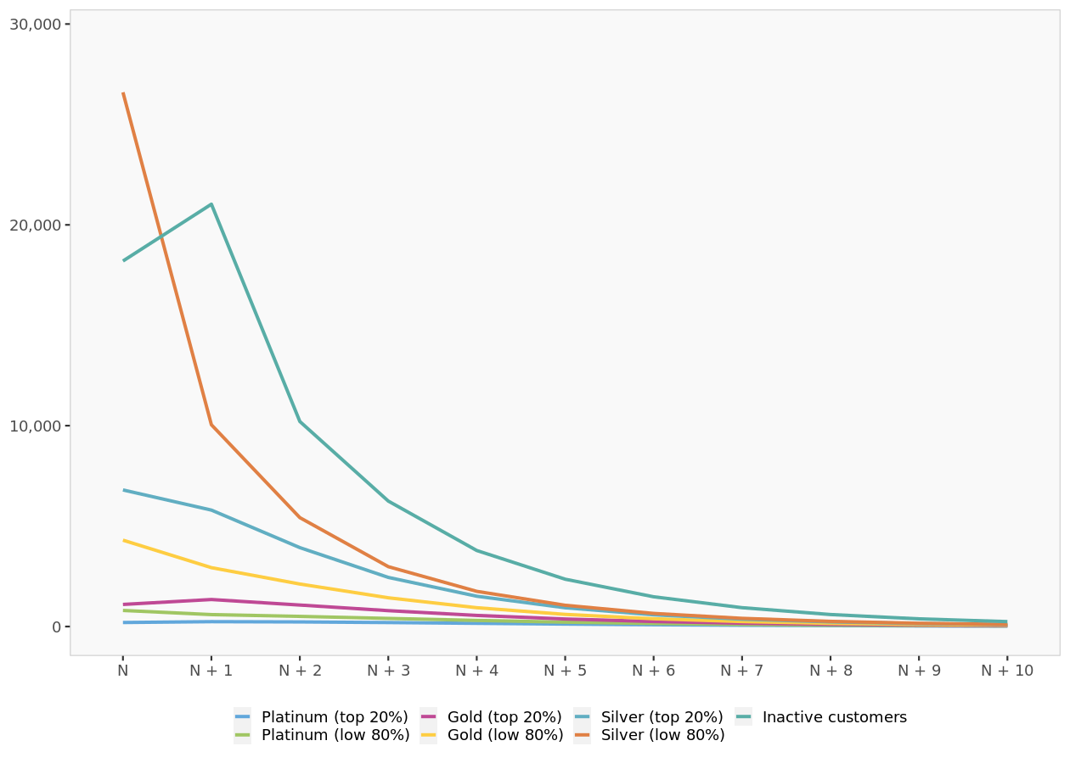

Customer segment evolution. Segments with an absorbing state, if any, are not displayed.

Transition matrix

Transition matrix
Segments on the left represent where customers come from. Segments on top represent where customers are likely to transition to. A segment with a transition probability to itself of 100% is said to be an 'absorbing state'.
 | Platinum (top 20%) | Platinum (low 80%) | Gold (top 20%) | Gold (low 80%) | Silver (top 20%) | Silver (low 80%) | Inactive customers | Lost customers
Platinum (top 20%) | 39.4% | 13.1% | 10.1% | 3.0% | 2.0% | 1.0% | 31.3% | 0.0%
Platinum (low 80%) | 10.9% | 32.7% | 10.9% | 7.9% | 3.0% | 2.0% | 32.7% | 0.0%
Gold (top 20%) | 3.0% | 9.9% | 30.7% | 9.9% | 7.9% | 3.0% | 35.6% | 0.0%
Gold (low 80%) | 1.0% | 3.0% | 10.0% | 30.0% | 10.0% | 8.0% | 38.0% | 0.0%
Silver (top 20%) | 0.0% | 1.0% | 3.0% | 11.0% | 34.0% | 11.0% | 40.0% | 0.0%
Silver (low 80%) | 0.0% | 0.0% | 1.0% | 2.0% | 9.0% | 28.0% | 60.0% | 0.0%
Inactive customers | 0.0% | 0.0% | 0.0% | 1.0% | 3.0% | 8.0% | 0.0% | 88.0%
Lost customers | 0.0% | 0.0% | 0.0% | 0.0% | 0.0% | 0.0% | 0.0% | 100.0%

Customer base valuation
Customer base valuation
In this section, we value the database in monetary terms.
Based on which segment customers belong to, they may generate revenues (gross margin) and costs. These figures will be
cumulated, and increasingly discounted over time.
At one point, discounting of future revenues and costs will be so high that they will become irrelevant for today's
valuation, hence ensuring that the customer base valuation will converge to a non-infinity value (even if the customer
base keeps growing).
Based on predicted customer base evolution and selected discount rate, the customer base is currently valued at
$14,279,572

Customer base valuation
 | N + 1 | N + 2 | N + 3 | N + 4 | N + 5 | N + 6 | N + 7 | N + 8 | N + 9 | N + 10 | ... | Infinity
Gross margin | $5,699,331 | $4,584,951 | $3,469,962 | $2,516,819 | $1,769,692 | $1,216,788 | $823,119 | $550,238 | $364,631 | $240,085 |  | $0
Next-period cost | $0 | $0 | $0 | $0 | $0 | $0 | $0 | $0 | $0 | $0 |  | $0
Net margin | $5,699,331 | $4,584,951 | $3,469,962 | $2,516,819 | $1,769,692 | $1,216,788 | $823,119 | $550,238 | $364,631 | $240,085 |  | $0
Discount Factor | 87.0% | 75.6% | 65.8% | 57.2% | 49.7% | 43.2% | 37.6% | 32.7% | 28.4% | 24.7% |  | 0.0%
Discounted net margin | $4,955,940 | $3,466,881 | $2,281,556 | $1,439,000 | $879,850 | $526,051 | $309,441 | $179,874 | $103,651 | $59,345 |  | $0
Discounted net margin (cumulated) | $4,955,940 | $8,422,821 | $10,704,378 | $12,143,377 | $13,023,227 | $13,549,278 | $13,858,719 | $14,038,593 | $14,142,244 | $14,201,589 |  | $14,279,572

Valuation per period

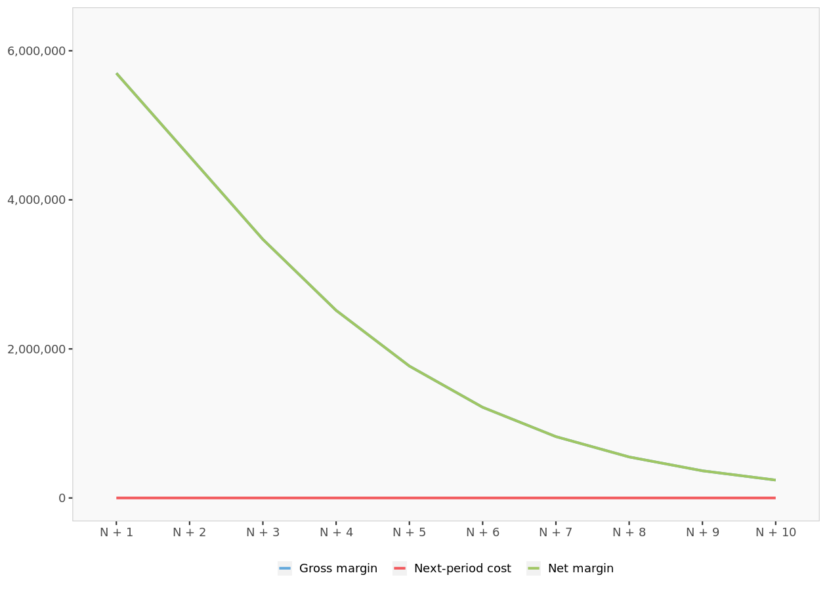

Valuation per period. Gross margin, costs and net margin, at each period (no discount factor applied)

Cumulated valuation

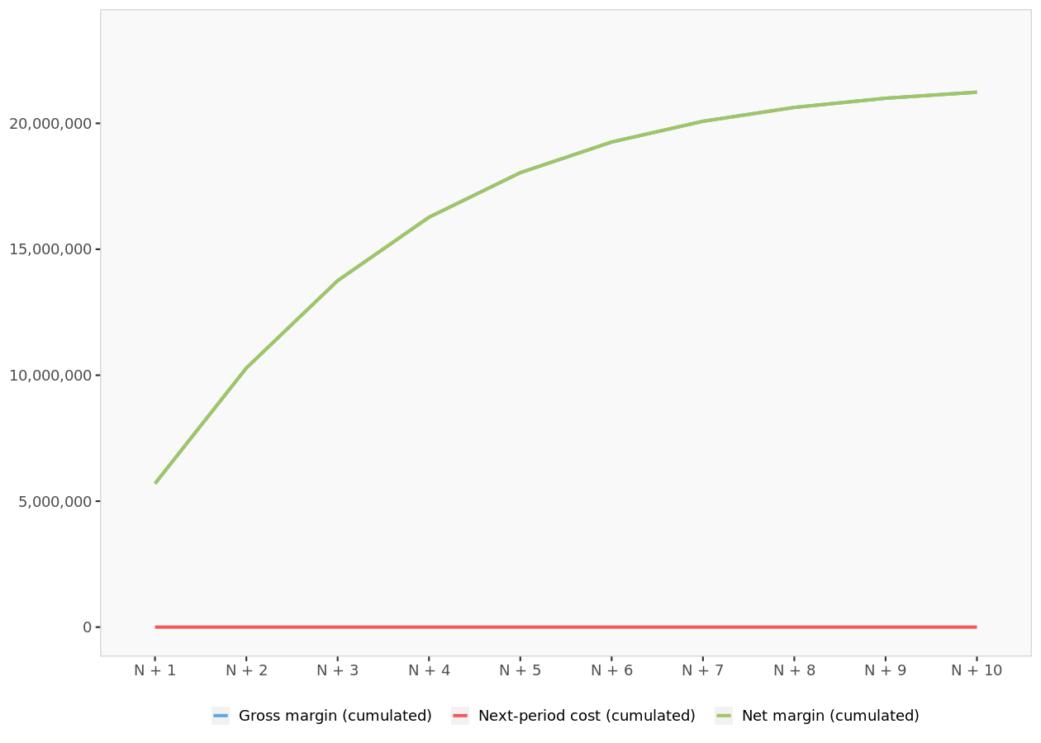

Cumulated valuation. Cumulated gross margin, costs and net margin, after N periods (no discount factor applied)

Cumulated valuation (after discount factor)
- The dashed, grey line corresponds to the 'Net margin (cumulated)' already reported in the previous chart.
- The plain, red line corresponds to the same figure after applying the discount factor.
- The dashed, red line corresponds to the value at which the previous line will converge to after an infinite number of periods. This value corresponds to the customer base valuation in current monetary terms.

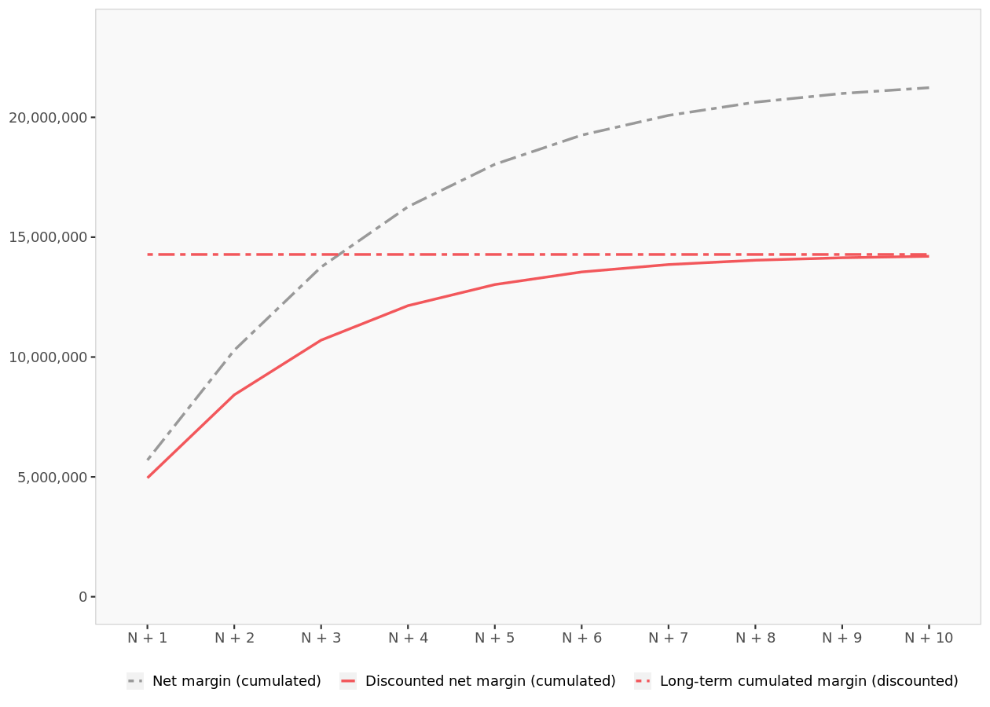

Cumulated valuation (after discount factor).

Customer lifetime value per ...
Customer lifetime value per segment
Customer lifetime value per segment
 | Customer lifetime value ($)
Platinum (top 20%) | $3,495.92 | 150 | 23.306161521
Platinum (low 80%) | $2,379.75 | 150 | 15.8650041
Gold (top 20%) | $1,415.70 | 25 | 56.628013891
Gold (low 80%) | $783.88 | 25 | 31.355142233
Silver (top 20%) | $385.60 | 10 | 38.560290802
Silver (low 80%) | $132.41 | 10 | 13.241027343
Inactive customers | $33.21 | 2 | 16.60508464

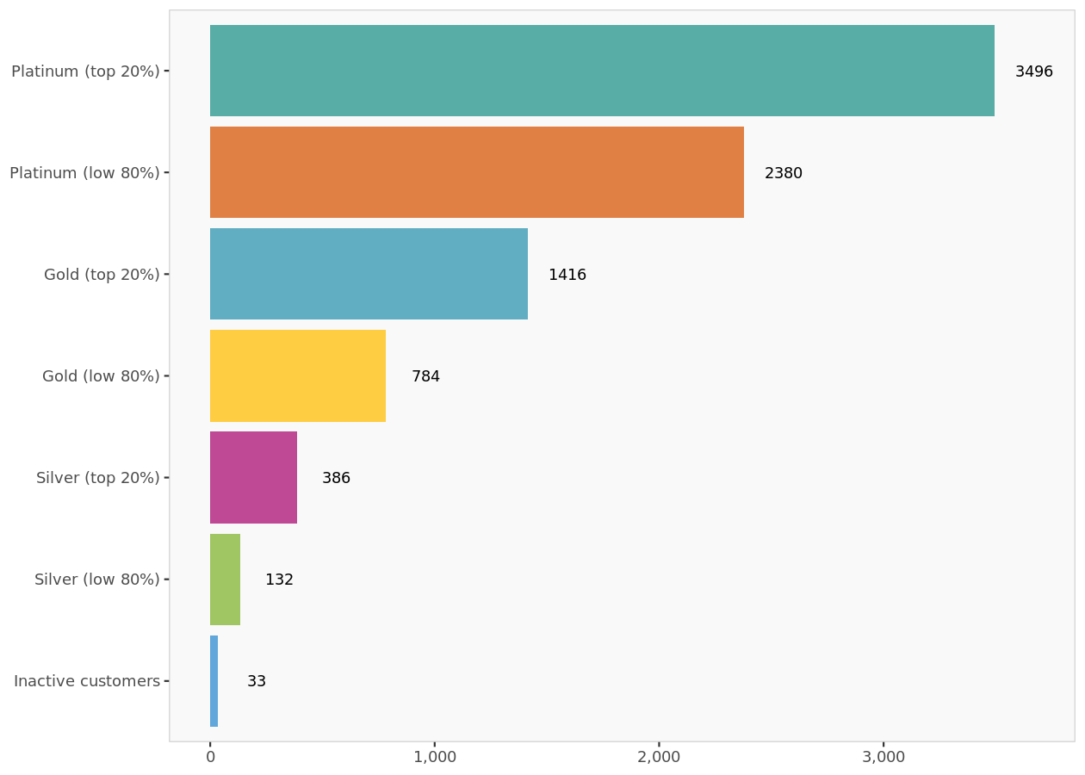

Customer lifetime value per segment.

Introduction
Customer lifetime value per segment is obtained by simulating how likely a customer will transition to segments over
time if he or she were to start from one specific segment, and how much revenue he or she is likely to generate over
time in doing so. These revenues are then discounted and cumulated to obtain a single financial figure, corresponding to
the customer lifetime value of a single individual in the initial segment.
Note that customer acquisition costs are NOT incorporated in these simulations, but are represented graphically later
on. If acquisition costs (if any) are below the customer lifetime value (i.e., long-term, cumulated, discounted margin),
then acquiring a customer at that cost is profitable.

CLV of one customer in Platinum (top 20%)

CLV of one customer in Platinum (top 20%)
 | N | N + 1 | N + 2 | N + 3 | N + 4 | N + 5 | N + 6 | N + 7 | N + 8 | N + 9 | N + 10 | ... | Infinity
Platinum (top 20%) | 100.0% | 39.4% | 17.3% | 8.3% | 4.2% | 2.3% | 1.3% | 0.7% | 0.4% | 0.3% | 0.2% |  | 0.0%
Platinum (low 80%) | 0.0% | 13.1% | 10.6% | 6.8% | 4.1% | 2.4% | 1.5% | 0.9% | 0.5% | 0.3% | 0.2% |  | 0.0%
Gold (top 20%) | 0.0% | 10.1% | 8.9% | 6.3% | 4.1% | 2.6% | 1.7% | 1.1% | 0.7% | 0.4% | 0.3% |  | 0.0%
Gold (low 80%) | 0.0% | 3.0% | 4.7% | 4.4% | 3.5% | 2.5% | 1.7% | 1.2% | 0.8% | 0.5% | 0.3% |  | 0.0%
Silver (top 20%) | 0.0% | 2.0% | 4.0% | 4.3% | 3.7% | 2.9% | 2.1% | 1.5% | 1.0% | 0.7% | 0.5% |  | 0.0%
Silver (low 80%) | 0.0% | 1.0% | 4.2% | 4.5% | 3.9% | 3.1% | 2.3% | 1.6% | 1.1% | 0.8% | 0.5% |  | 0.0%
Inactive customers | 0.0% | 31.3% | 22.8% | 17.9% | 13.1% | 9.3% | 6.4% | 4.3% | 2.9% | 1.9% | 1.3% |  | 0.0%
Lost customers | 0.0% | 0.0% | 27.6% | 47.6% | 63.4% | 74.9% | 83.1% | 88.7% | 92.5% | 95.1% | 96.8% |  | 100.0%
Net margin |  | $2,144.36 | $1,110.44 | $602.00 | $337.90 | $194.91 | $114.95 | $69.04 | $42.09 | $25.98 | $16.19 |  | $0.00
Discount factor |  | 0.870 | 0.756 | 0.658 | 0.572 | 0.497 | 0.432 | 0.376 | 0.327 | 0.284 | 0.247 |  | 0.000
Net margin (discounted) |  | $1,864.66 | $839.65 | $395.83 | $193.20 | $96.91 | $49.70 | $25.95 | $13.76 | $7.38 | $4.00 |  | $0.00
Cumulated net margin (discounted) |  | $1,864.66 | $2,704.31 | $3,100.14 | $3,293.34 | $3,390.24 | $3,439.94 | $3,465.89 | $3,479.65 | $3,487.03 | $3,491.04 |  | $3,495.92

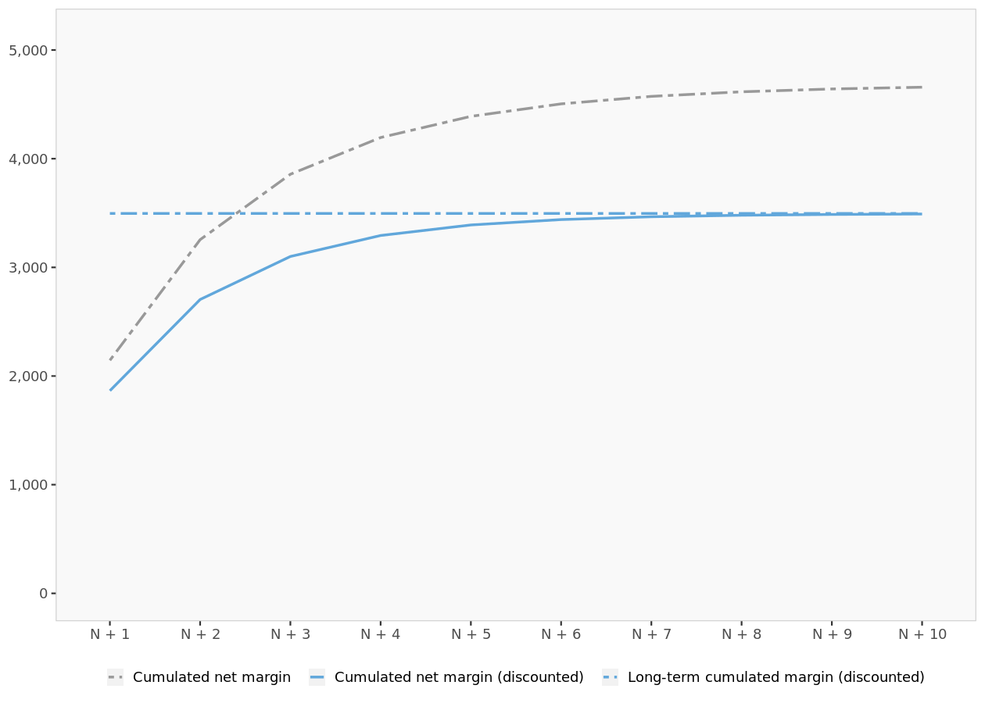

CLV of one customer in Platinum (top 20%).

CLV of one customer in Platinum (low 80%)

CLV of one customer in Platinum (low 80%)
 | N | N + 1 | N + 2 | N + 3 | N + 4 | N + 5 | N + 6 | N + 7 | N + 8 | N + 9 | N + 10 | ... | Infinity
Platinum (top 20%) | 0.0% | 10.9% | 8.3% | 5.1% | 2.9% | 1.7% | 1.0% | 0.6% | 0.4% | 0.2% | 0.1% |  | 0.0%
Platinum (low 80%) | 100.0% | 32.7% | 13.5% | 6.6% | 3.6% | 2.1% | 1.2% | 0.8% | 0.5% | 0.3% | 0.2% |  | 0.0%
Gold (top 20%) | 0.0% | 10.9% | 8.9% | 5.9% | 3.8% | 2.4% | 1.5% | 0.9% | 0.6% | 0.4% | 0.2% |  | 0.0%
Gold (low 80%) | 0.0% | 7.9% | 7.1% | 5.2% | 3.6% | 2.5% | 1.7% | 1.1% | 0.7% | 0.5% | 0.3% |  | 0.0%
Silver (top 20%) | 0.0% | 3.0% | 5.0% | 4.9% | 3.9% | 2.9% | 2.1% | 1.4% | 1.0% | 0.6% | 0.4% |  | 0.0%
Silver (low 80%) | 0.0% | 2.0% | 5.2% | 5.1% | 4.2% | 3.1% | 2.2% | 1.6% | 1.1% | 0.7% | 0.5% |  | 0.0%
Inactive customers | 0.0% | 32.7% | 23.4% | 18.0% | 12.8% | 8.9% | 6.1% | 4.1% | 2.7% | 1.8% | 1.2% |  | 0.0%
Lost customers | 0.0% | 0.0% | 28.8% | 49.3% | 65.1% | 76.4% | 84.2% | 89.6% | 93.1% | 95.5% | 97.1% |  | 100.0%
Net margin |  | $1,337.23 | $785.43 | $457.15 | $268.22 | $159.48 | $96.16 | $58.74 | $36.29 | $22.64 | $14.23 |  | $0.00
Discount factor |  | 0.870 | 0.756 | 0.658 | 0.572 | 0.497 | 0.432 | 0.376 | 0.327 | 0.284 | 0.247 |  | 0.000
Net margin (discounted) |  | $1,162.80 | $593.90 | $300.58 | $153.36 | $79.29 | $41.57 | $22.08 | $11.86 | $6.43 | $3.52 |  | $0.00
Cumulated net margin (discounted) |  | $1,162.80 | $1,756.70 | $2,057.29 | $2,210.64 | $2,289.93 | $2,331.51 | $2,353.59 | $2,365.45 | $2,371.89 | $2,375.41 |  | $2,379.75

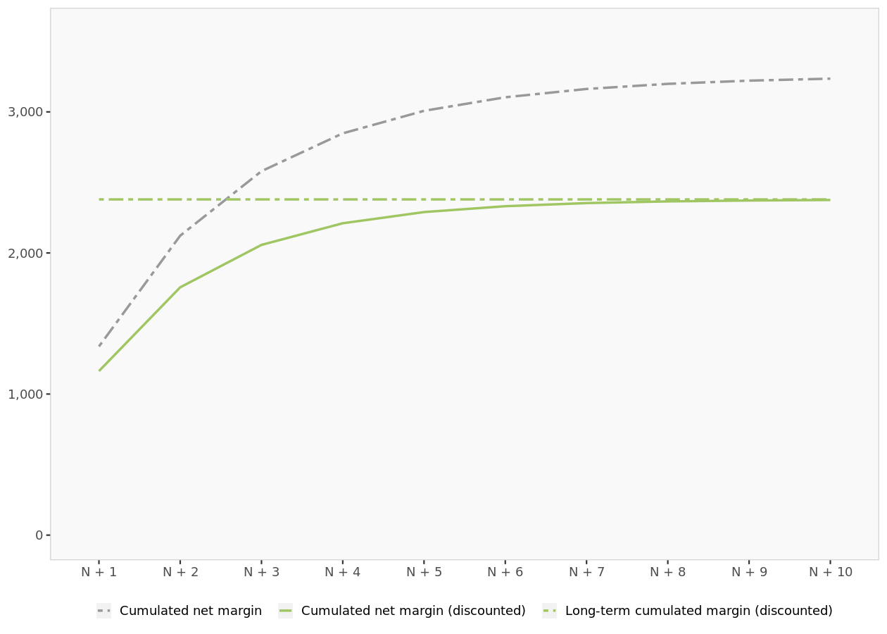

CLV of one customer in Platinum (low 80%).

CLV of one customer in Gold (top 20%)

CLV of one customer in Gold (top 20%)
 | N | N + 1 | N + 2 | N + 3 | N + 4 | N + 5 | N + 6 | N + 7 | N + 8 | N + 9 | N + 10 | ... | Infinity
Platinum (top 20%) | 0.0% | 3.0% | 3.3% | 2.5% | 1.7% | 1.1% | 0.7% | 0.4% | 0.3% | 0.2% | 0.1% |  | 0.0%
Platinum (low 80%) | 0.0% | 9.9% | 7.0% | 4.2% | 2.5% | 1.5% | 0.9% | 0.6% | 0.4% | 0.2% | 0.1% |  | 0.0%
Gold (top 20%) | 100.0% | 30.7% | 12.1% | 5.9% | 3.3% | 2.0% | 1.2% | 0.8% | 0.5% | 0.3% | 0.2% |  | 0.0%
Gold (low 80%) | 0.0% | 9.9% | 8.2% | 5.5% | 3.6% | 2.3% | 1.5% | 1.0% | 0.6% | 0.4% | 0.3% |  | 0.0%
Silver (top 20%) | 0.0% | 7.9% | 7.8% | 6.0% | 4.3% | 3.0% | 2.0% | 1.3% | 0.9% | 0.6% | 0.4% |  | 0.0%
Silver (low 80%) | 0.0% | 3.0% | 6.5% | 5.8% | 4.4% | 3.1% | 2.2% | 1.4% | 1.0% | 0.6% | 0.4% |  | 0.0%
Inactive customers | 0.0% | 35.6% | 23.8% | 17.7% | 12.2% | 8.3% | 5.5% | 3.6% | 2.4% | 1.6% | 1.0% |  | 0.0%
Lost customers | 0.0% | 0.0% | 31.4% | 52.3% | 67.9% | 78.7% | 86.0% | 90.8% | 94.0% | 96.1% | 97.5% |  | 100.0%
Net margin |  | $730.15 | $469.79 | $295.44 | $184.20 | $114.79 | $71.80 | $45.13 | $28.52 | $18.10 | $11.53 |  | $0.00
Discount factor |  | 0.870 | 0.756 | 0.658 | 0.572 | 0.497 | 0.432 | 0.376 | 0.327 | 0.284 | 0.247 |  | 0.000
Net margin (discounted) |  | $634.91 | $355.23 | $194.26 | $105.31 | $57.07 | $31.04 | $16.97 | $9.32 | $5.15 | $2.85 |  | $0.00
Cumulated net margin (discounted) |  | $634.91 | $990.14 | $1,184.40 | $1,289.72 | $1,346.79 | $1,377.83 | $1,394.80 | $1,404.12 | $1,409.26 | $1,412.11 |  | $1,415.70

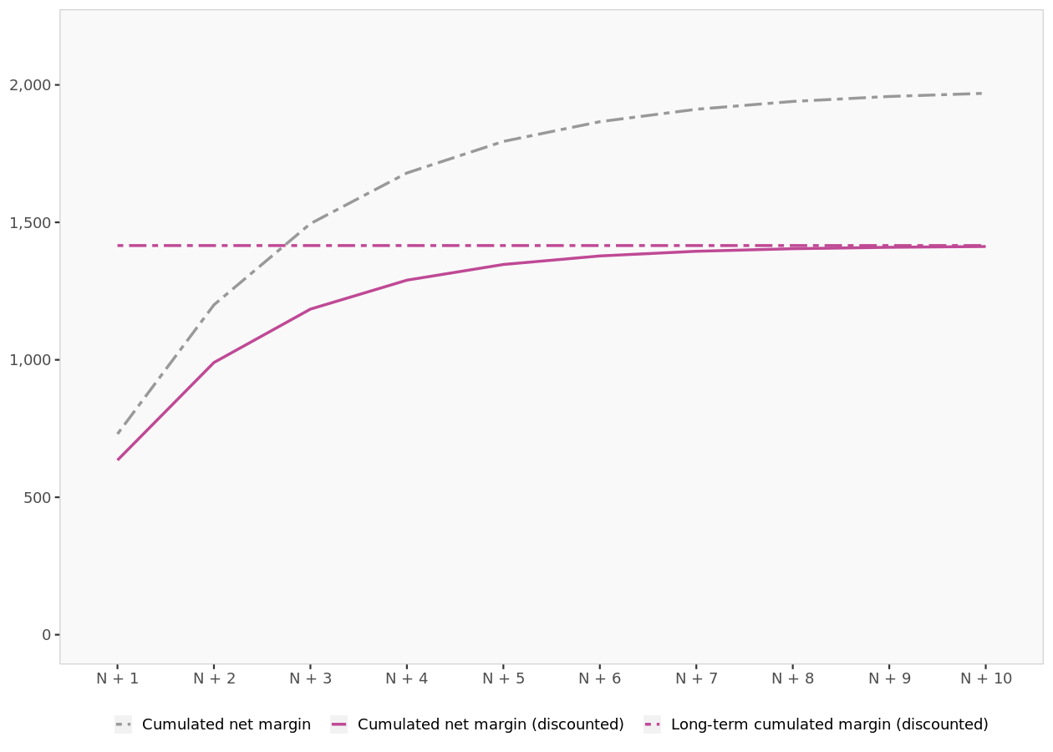

CLV of one customer in Gold (top 20%).

CLV of one customer in Gold (low 80%)

CLV of one customer in Gold (low 80%)
 | N | N + 1 | N + 2 | N + 3 | N + 4 | N + 5 | N + 6 | N + 7 | N + 8 | N + 9 | N + 10 | ... | Infinity
Platinum (top 20%) | 0.0% | 1.0% | 1.3% | 1.2% | 0.9% | 0.6% | 0.4% | 0.3% | 0.2% | 0.1% | 0.1% |  | 0.0%
Platinum (low 80%) | 0.0% | 3.0% | 3.1% | 2.3% | 1.6% | 1.0% | 0.7% | 0.4% | 0.3% | 0.2% | 0.1% |  | 0.0%
Gold (top 20%) | 0.0% | 10.0% | 6.9% | 4.1% | 2.5% | 1.6% | 1.0% | 0.6% | 0.4% | 0.3% | 0.2% |  | 0.0%
Gold (low 80%) | 100.0% | 30.0% | 11.9% | 6.0% | 3.5% | 2.1% | 1.3% | 0.9% | 0.6% | 0.4% | 0.2% |  | 0.0%
Silver (top 20%) | 0.0% | 10.0% | 9.2% | 6.5% | 4.4% | 2.9% | 1.9% | 1.2% | 0.8% | 0.5% | 0.3% |  | 0.0%
Silver (low 80%) | 0.0% | 8.0% | 9.1% | 6.8% | 4.7% | 3.1% | 2.0% | 1.3% | 0.9% | 0.6% | 0.4% |  | 0.0%
Inactive customers | 0.0% | 38.0% | 25.1% | 17.6% | 11.6% | 7.6% | 4.9% | 3.2% | 2.1% | 1.3% | 0.9% |  | 0.0%
Lost customers | 0.0% | 0.0% | 33.4% | 55.5% | 70.9% | 81.1% | 87.8% | 92.1% | 94.9% | 96.7% | 97.9% |  | 100.0%
Net margin |  | $356.60 | $260.33 | $179.33 | $119.97 | $79.00 | $51.59 | $33.53 | $21.74 | $14.08 | $9.11 |  | $0.00
Discount factor |  | 0.870 | 0.756 | 0.658 | 0.572 | 0.497 | 0.432 | 0.376 | 0.327 | 0.284 | 0.247 |  | 0.000
Net margin (discounted) |  | $310.09 | $196.84 | $117.91 | $68.59 | $39.28 | $22.30 | $12.61 | $7.11 | $4.00 | $2.25 |  | $0.00
Cumulated net margin (discounted) |  | $310.09 | $506.93 | $624.85 | $693.44 | $732.72 | $755.02 | $767.63 | $774.73 | $778.74 | $780.99 |  | $783.88

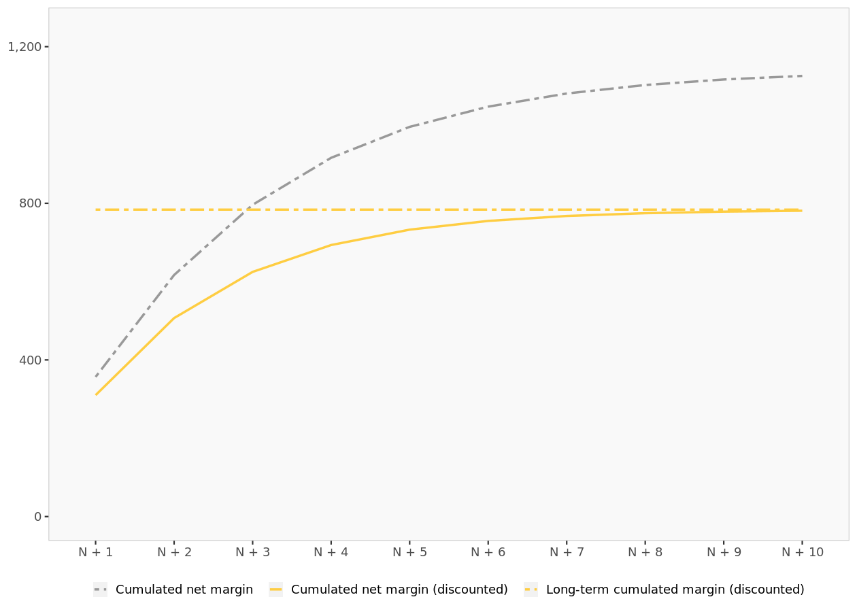

CLV of one customer in Gold (low 80%).

CLV of one customer in Silver (top 20%)

CLV of one customer in Silver (top 20%)
 | N | N + 1 | N + 2 | N + 3 | N + 4 | N + 5 | N + 6 | N + 7 | N + 8 | N + 9 | N + 10 | ... | Infinity
Platinum (top 20%) | 0.0% | 0.0% | 0.3% | 0.4% | 0.4% | 0.4% | 0.3% | 0.2% | 0.1% | 0.1% | 0.1% |  | 0.0%
Platinum (low 80%) | 0.0% | 1.0% | 1.3% | 1.2% | 0.9% | 0.7% | 0.5% | 0.3% | 0.2% | 0.1% | 0.1% |  | 0.0%
Gold (top 20%) | 0.0% | 3.0% | 3.3% | 2.5% | 1.8% | 1.2% | 0.8% | 0.5% | 0.3% | 0.2% | 0.1% |  | 0.0%
Gold (low 80%) | 0.0% | 11.0% | 8.0% | 5.0% | 3.1% | 1.9% | 1.2% | 0.8% | 0.5% | 0.3% | 0.2% |  | 0.0%
Silver (top 20%) | 100.0% | 34.0% | 15.1% | 8.0% | 4.7% | 2.8% | 1.8% | 1.1% | 0.7% | 0.4% | 0.3% |  | 0.0%
Silver (low 80%) | 0.0% | 11.0% | 11.0% | 7.6% | 4.9% | 3.1% | 1.9% | 1.2% | 0.8% | 0.5% | 0.3% |  | 0.0%
Inactive customers | 0.0% | 40.0% | 25.8% | 17.4% | 11.1% | 7.0% | 4.5% | 2.8% | 1.8% | 1.2% | 0.7% |  | 0.0%
Lost customers | 0.0% | 0.0% | 35.2% | 57.9% | 73.2% | 82.9% | 89.1% | 93.0% | 95.5% | 97.1% | 98.2% |  | 100.0%
Net margin |  | $131.99 | $126.04 | $101.81 | $75.83 | $53.90 | $37.20 | $25.20 | $16.84 | $11.15 | $7.34 |  | $0.00
Discount factor |  | 0.870 | 0.756 | 0.658 | 0.572 | 0.497 | 0.432 | 0.376 | 0.327 | 0.284 | 0.247 |  | 0.000
Net margin (discounted) |  | $114.78 | $95.30 | $66.94 | $43.36 | $26.80 | $16.08 | $9.47 | $5.51 | $3.17 | $1.81 |  | $0.00
Cumulated net margin (discounted) |  | $114.78 | $210.08 | $277.02 | $320.38 | $347.17 | $363.26 | $372.73 | $378.24 | $381.41 | $383.22 |  | $385.60

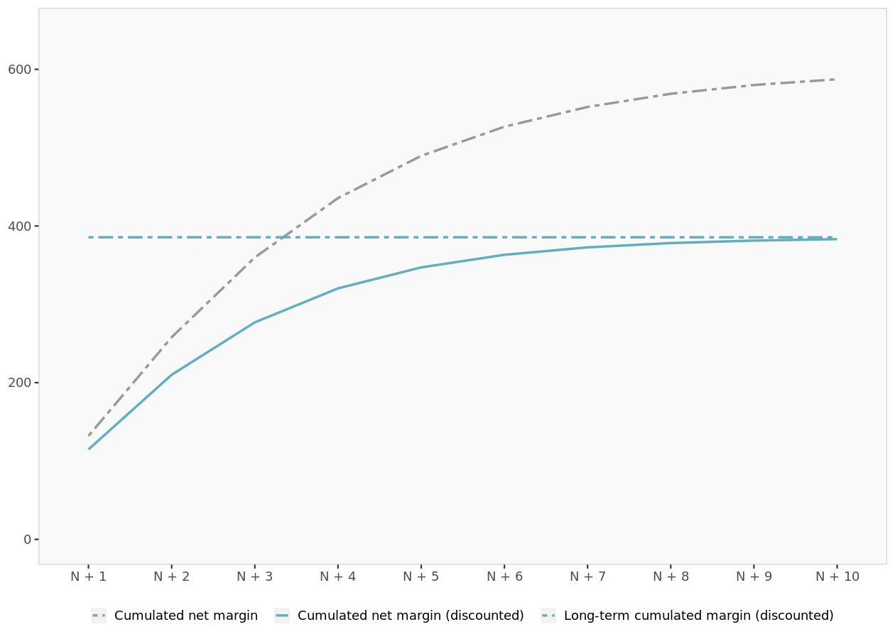

CLV of one customer in Silver (top 20%).

CLV of one customer in Silver (low 80%)

CLV of one customer in Silver (low 80%)
 | N | N + 1 | N + 2 | N + 3 | N + 4 | N + 5 | N + 6 | N + 7 | N + 8 | N + 9 | N + 10 | ... | Infinity
Platinum (top 20%) | 0.0% | 0.0% | 0.0% | 0.1% | 0.1% | 0.1% | 0.1% | 0.1% | 0.1% | 0.0% | 0.0% |  | 0.0%
Platinum (low 80%) | 0.0% | 0.0% | 0.2% | 0.4% | 0.3% | 0.3% | 0.2% | 0.2% | 0.1% | 0.1% | 0.1% |  | 0.0%
Gold (top 20%) | 0.0% | 1.0% | 1.1% | 1.0% | 0.8% | 0.6% | 0.4% | 0.3% | 0.2% | 0.1% | 0.1% |  | 0.0%
Gold (low 80%) | 0.0% | 2.0% | 2.8% | 2.3% | 1.6% | 1.1% | 0.7% | 0.4% | 0.3% | 0.2% | 0.1% |  | 0.0%
Silver (top 20%) | 0.0% | 9.0% | 7.7% | 4.9% | 3.0% | 1.8% | 1.1% | 0.7% | 0.4% | 0.3% | 0.2% |  | 0.0%
Silver (low 80%) | 100.0% | 28.0% | 13.8% | 6.7% | 3.7% | 2.1% | 1.3% | 0.8% | 0.5% | 0.3% | 0.2% |  | 0.0%
Inactive customers | 0.0% | 60.0% | 21.5% | 12.9% | 7.4% | 4.4% | 2.7% | 1.7% | 1.1% | 0.7% | 0.4% |  | 0.0%
Lost customers | 0.0% | 0.0% | 52.8% | 71.7% | 83.1% | 89.6% | 93.5% | 95.9% | 97.4% | 98.3% | 98.9% |  | 100.0%
Net margin |  | $30.73 | $39.83 | $38.39 | $32.20 | $24.83 | $18.16 | $12.82 | $8.83 | $5.98 | $4.00 |  | $0.00
Discount factor |  | 0.870 | 0.756 | 0.658 | 0.572 | 0.497 | 0.432 | 0.376 | 0.327 | 0.284 | 0.247 |  | 0.000
Net margin (discounted) |  | $26.72 | $30.12 | $25.24 | $18.41 | $12.35 | $7.85 | $4.82 | $2.89 | $1.70 | $0.99 |  | $0.00
Cumulated net margin (discounted) |  | $26.72 | $56.84 | $82.09 | $100.49 | $112.84 | $120.69 | $125.51 | $128.40 | $130.10 | $131.09 |  | $132.41

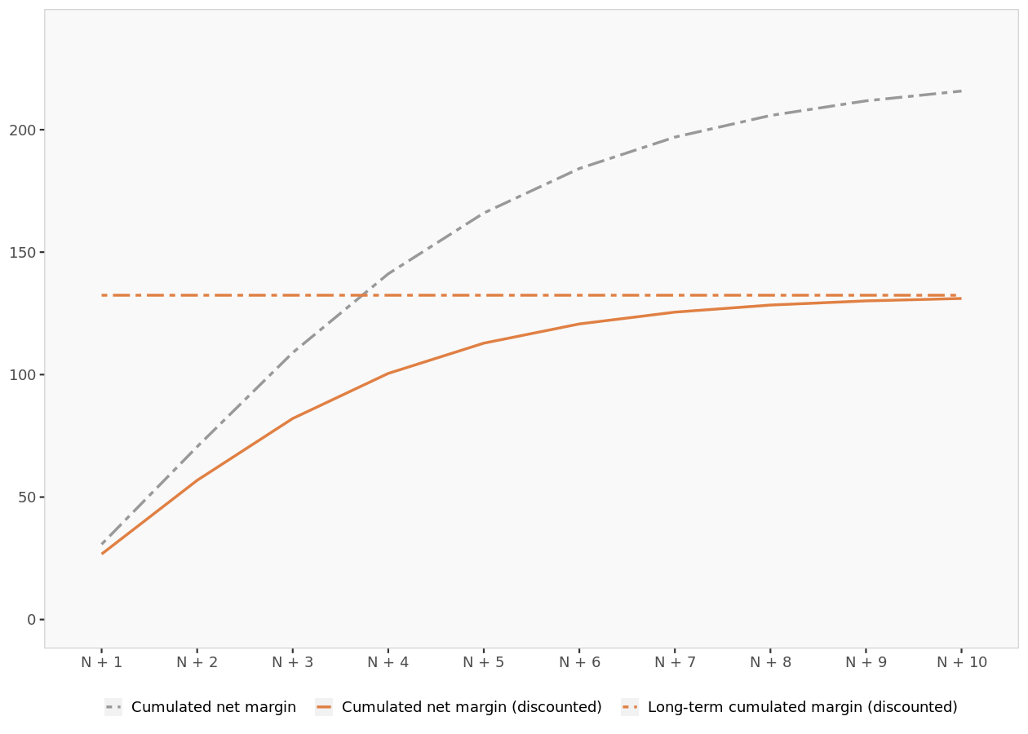

CLV of one customer in Silver (low 80%).

CLV of one customer in Inactive customers

CLV of one customer in Inactive customers
 | N | N + 1 | N + 2 | N + 3 | N + 4 | N + 5 | N + 6 | N + 7 | N + 8 | N + 9 | N + 10 | ... | Infinity
Platinum (top 20%) | 0.0% | 0.0% | 0.0% | 0.0% | 0.0% | 0.0% | 0.0% | 0.0% | 0.0% | 0.0% | 0.0% |  | 0.0%
Platinum (low 80%) | 0.0% | 0.0% | 0.1% | 0.1% | 0.1% | 0.1% | 0.1% | 0.0% | 0.0% | 0.0% | 0.0% |  | 0.0%
Gold (top 20%) | 0.0% | 0.0% | 0.3% | 0.3% | 0.2% | 0.1% | 0.1% | 0.1% | 0.0% | 0.0% | 0.0% |  | 0.0%
Gold (low 80%) | 0.0% | 1.0% | 0.8% | 0.6% | 0.4% | 0.3% | 0.2% | 0.1% | 0.1% | 0.0% | 0.0% |  | 0.0%
Silver (top 20%) | 0.0% | 3.0% | 1.8% | 1.2% | 0.7% | 0.4% | 0.3% | 0.2% | 0.1% | 0.1% | 0.0% |  | 0.0%
Silver (low 80%) | 0.0% | 8.0% | 2.7% | 1.5% | 0.8% | 0.5% | 0.3% | 0.2% | 0.1% | 0.1% | 0.0% |  | 0.0%
Inactive customers | 100.0% | 0.0% | 6.4% | 2.7% | 1.7% | 1.0% | 0.6% | 0.4% | 0.3% | 0.2% | 0.1% |  | 0.0%
Lost customers | 0.0% | 88.0% | 88.0% | 93.6% | 96.0% | 97.6% | 98.5% | 99.0% | 99.4% | 99.6% | 99.7% |  | 100.0%
Net margin |  | $8.19 | $9.98 | $9.57 | $7.92 | $6.05 | $4.39 | $3.08 | $2.12 | $1.43 | $0.95 |  | $0.00
Discount factor |  | 0.870 | 0.756 | 0.658 | 0.572 | 0.497 | 0.432 | 0.376 | 0.327 | 0.284 | 0.247 |  | 0.000
Net margin (discounted) |  | $7.12 | $7.55 | $6.29 | $4.53 | $3.01 | $1.90 | $1.16 | $0.69 | $0.41 | $0.24 |  | $0.00
Cumulated net margin (discounted) |  | $7.12 | $14.67 | $20.97 | $25.49 | $28.50 | $30.40 | $31.56 | $32.25 | $32.66 | $32.90 |  | $33.21

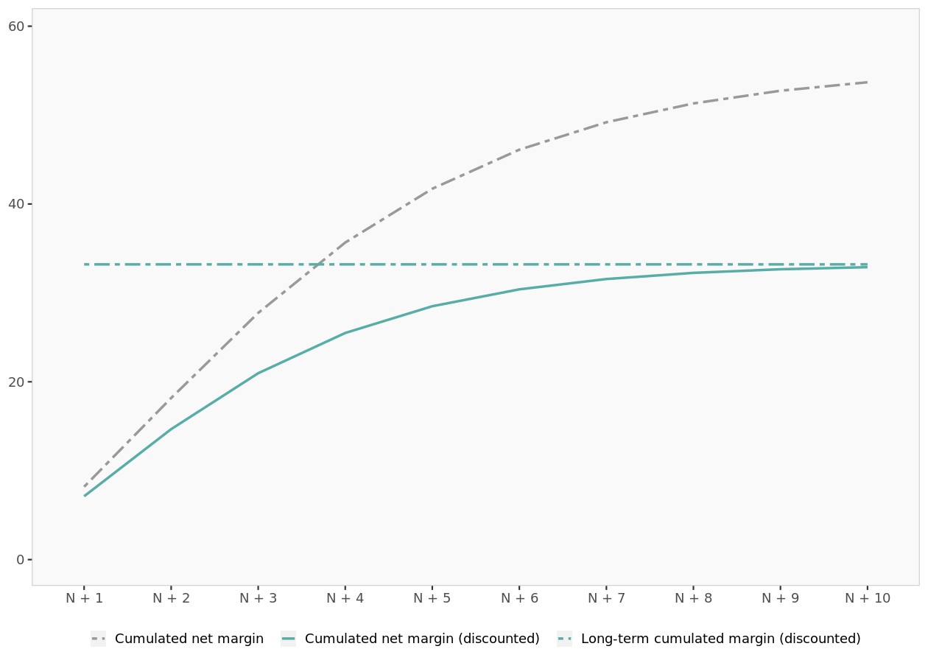

CLV of one customer in Inactive customers.

